Instructions
Once your Deficit Recover Plan has been costed in your budget, please download Budget Analysis in Excel Export (Table) from SBS
Once downloaded, please copy and paste that report into the Budget Analysis Report sheet in this workbook.
Paste it into cell A1
Further Guidance can be found in the document below.

To download your report, navigate to the Reporting module of SBS and run the Budget Analysis Report
Run the Budget Analysis Report for the budget you are basing your Deficit Recovery Plan on.

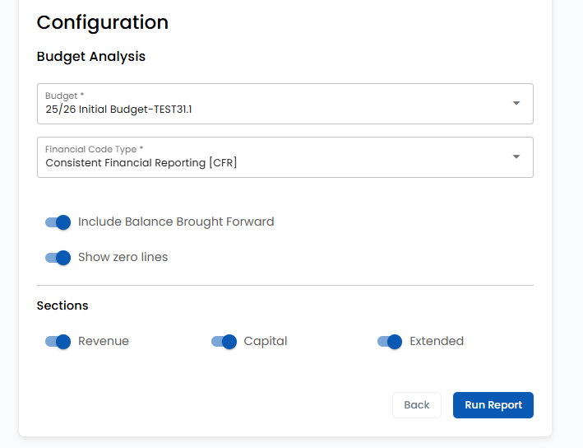

Using the Export button in the top right, download an Excel (Table) version of the report
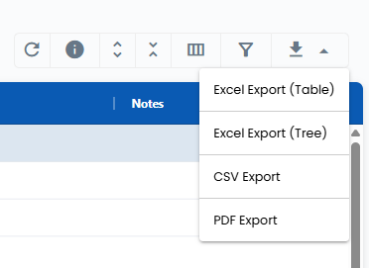

Copy all of the data from the export and paste this into Cell A1 of the Budget Analysis Report (Table) Worksheet

Deficit Business Case
The case for a deficit budget
The Deficit Budget Protocol states governing bodies will only be allowed to set a deficit budget:
• to overcome long term financing issues caused by sudden and unforeseen changes in funding and/or
• to overcome unplanned costs or shortfalls in income that could not have reasonably been predicted
In order for a governing body to set a deficit budget, a clear and specifically evidenced case must be made that one or both of these two conditions apply.
Recovery plans should include SMART targets to ensure proposed actions are specific, measurable, attainable, relevant and timely.

Please describe the circumstances that have led to the need for a deficit budget

Please list any rejected options that have been considered for setting a budget that prevents a deficit from materialising or that fully recovers the outstanding deficit

What are the key cost saving or income raising measures that are or will be undertaken to recover the deficit?

Any other information to support the case for the licensed deficit application.

